1. Title Page
[Project Name]

Project Name: Instacart Grocery Basket Analysis
Date: August 5, 2024
Analyst Name: Isaac Contreras

Contents:
Population Flow
Consistency checks
Wrangling steps
Column derivations
Visualizations
Recommendations

2. Population Flow
Title page

Population flow

Exclusion flag
Condition: max_order <
Obervations to be removed:
Final total count of order_products_all:

Orders_products_combined
Orders_products_merged
Orders_products_all

Total: 32,404,859
Total: 32,434,489
Total: 32,404,859

1.) The grey boxes in the first row of the population flow represent the original data sets as they were when you downloaded them. In the Total fields you need to add the count of the rows when you imported the data set into Jupyter.
2.) The second row of boxes (coloured) represents the data sets after you manipulated them, e.g., removed missing values and duplicates. In the Total fields you need to add the count of the rows after conducting these operations. This offers a visual oveview of how the data flows throughout the data consistency checks.
3.) The third row, where also the arrows are coloured, represents the merges you performed between the datasets. In the Total fields you need to add the count of the rows in the merged datasets, so that you end up with the final dataset (in the red box). Keep in mind the final dataset should be without exclusions (based on the exclusion flag).

3. Consistency checks
 |  |  |  | Title page
Consistency checks

Dataset | Missing values | Missing values treatment | Duplicates
orders | 206,209-days_since_prior_order | Left In Dataframe | No duplicates found
products | 16 missing values in Product_name column | deleted | 5 duplicates - deletd
orders_products_prior | 0 | No Missing Values | 0
customers | 0 | No Missing Values | 0

4. Wrangling steps
 |  |  |  | Title page
Wrangling steps

Columns dropped | Columns renamed | Columns' type changed | Comment/Reason
eval_set |  |  | Found to have irrelevant information for puporses
 |  | order_id data type has been changed to string | Identifies order number and did not need to be integer type
 |  | user_id to string | Indentifies customer id and did not need to be integer type
 | STATE |  | Changed to "State" for uniform look of column labels
_merge |  |  | Column was created and dropped on different occassions as errors were thrown when trying to combine dataframes when left in.
 | Unnamed: 0 |  | Changed when working with departments during visualizations for department_id column

5. Column derivations
 |  |  |  |  | Title page

Column derivations and aggregations

In this tab you should add tables below that the frequences of flags/label variables that you produced after deriving them. NB: don't do this for continuous variables, only for flags.
Frequences Flags: price_range_loc Mid-range product 4322545 Low-range product 2024898 High-range product 134032 Name: count, dtype: int64
busiest_days Regular days 2580473 Busiest days 2375791 Slowest days 1525211 Name: count, dtype: int64 busiest_period_of_day
Most orders 4224403 Average orders 1998734 Fewest orders 258338 Name: count, dtype: int64 loyalty_flag Regular customer 3176115 Loyal customer 2057214 New customer 1248146 Name: count, dtype: int64 spending_flag Low spender 6354257 High spender 127218 Name: count, dtype: int64
order_frequency_flag Frequent customer 4108153 Regular customer 1833251 Non-frequent customer 540071 Name: count, dtype: int64 exclusion_flag Include 4885129 Exclude 1596346 Name: count, dtype: int64 age_group Senior (>51) 3127128 Middle-aged (31-50) 2034781 Young (<=30) 1319566 Name: count, dtype: int64 time_of_day Afternoon 3049014 Morning 2292512 Evening 1139949 Name: count, dtype: int64 income_group
Middle 3240721 Low 1620391 High 1620363 Name: count, dtype: int64
Dataset | New column | Column/s it was derived from | Conditions | Conditions (Code)
ords_prods_merge | price_range_loc | pricing | • Products are categorized as "High-range" if their price is above $14.8. • Products priced between $5 and $14.8 are labeled as "Mid-range." • Products costing $5 or less are marked as "Low-range." | df.loc[df['prices'] > 14.8, 'price_range_loc'] = 'High-range product' df.loc[(df['prices'] <= 14.8) & (df['prices'] > 5), 'price_range_loc'] = 'Mid-range product' df.loc[df['prices'] <= 5, 'price_range_loc'] = 'Low-range product'
ords_prods_merge | busiest_day | order_dow | • If the day is the busiest, mark it as "Busiest day." • If it's the least busy, mark it as "Least busy." • Otherwise, it's "Regularly busy." | result = [] for value in df["order_dow"]: if value == 0: result.append("Busiest day") elif value == 4: result.append("Least busy") else: result.append("Regularly busy")
ords_prods_merge | busiest_days | order_dow | • Calculate how often orders happen each day. • Identify the two busiest and two slowest days. • Classify days as "Busiest days," "Slowest days," or "Regular days." | #Calculating the order frequency for each day of the week order_freq = df['order_dow'].value_counts().sort_values(ascending=False) #Identifying the two busiest and two slowest days busiest_days = order_freq.index[:2].tolist() slowest_days = order_freq.index[-2:].tolist() #Creating a new column 'busiest_days' df['busiest_days'] = df['order_dow'].apply( lambda x: 'Busiest days' if x in busiest_days else ('Slowest days' if x in slowest_days else 'Regular days') )
ords_prods_merge | busiest_period_of_day | order_hour_of_day | • Label hours with the most orders as "Most orders." • Label hours with the fewest orders as "Fewest orders." • Oher hours are labeled as "Average orders." | Creating the 'busiest_period_of_day' column. df['busiest_period_of_day'] = df['order_hour_of_day'].apply( lambda x: 'Most orders' if hourly_order_counts[x] > most_orders_threshold else ('Fewest orders' if hourly_order_counts[x] <= fewest_orders_threshold else 'Average orders'))
ords_prods_merge | max_order | max of user_id and order_number | • Assign the maximum number of orders placed by each user. | ords_prods_merge_freq.assign(max_order=ords_prods_merge_freq.groupby(['user_id'])['order_number'].transform('max'))
ords_prods_merge | loyalty_flag | max_order | • Mark users with more than 40 orders as "Loyal customers." • Users with 11-40 orders are "Regular customers." • Users with 10 or fewer orders are "New customers. | new_df.loc[new_df['max_order'] > 40, 'loyalty_flag'] = 'Loyal customer' new_df.loc[(new_df['max_order'] <= 40) & (new_df['max_order'] > 10), 'loyalty_flag'] = 'Regular customer' new_df.loc[new_df['max_order'] <= 10, 'loyalty_flag'] = 'New customer'
ords_prods_merge | avg_price | mean of user_id and prices | • Calculate the average price of orders for each user. | new_df['avg_price'] = new_df.groupby('user_id')['prices'].transform('mean')
ords_prods_merge | spending_flag | avg_price | • Users with an average order price below $10 are "Low spenders." • Those with an average price of $10 or higher are "High spenders." | new_df.loc[new_df['avg_price'] < 10, 'spending_flag'] = 'Low spender' new_df.loc[new_df['avg_price'] >= 10, 'spending_flag'] = 'High spender'
ords_prods_merge | median | median of user_id and days_since_prior_order | • Calculate the median days between orders for each user. | # Calculating the median of 'days_since_prior_order' for each user new_df['median_days_since_prior'] = new_df.groupby('user_id')['days_since_prior_order'].transform('median')
ords_prods_merge | frequency_flag | median_days_since_prior | • Users with more than 20 days between orders are "Non-frequent customers." • Those with 11-20 days are "Regular customers." • Users with 10 or fewer days are "Frequent customers." | new_df.loc[new_df['median_days_since_prior'] > 20, 'order_frequency_flag'] = 'Non-frequent customer' new_df.loc[(new_df['median_days_since_prior'] > 10) & (new_df['median_days_since_prior'] <= 20), 'order_frequency_flag'] = 'Regular customer' new_df.loc[new_df['median_days_since_prior'] <= 10, 'order_frequency_flag'] = 'Frequent customer'
small | Region | State | • Assign each state to its corresponding region (e.g., Northeast, Midwest, South, or West). | region_mapping = { 'Maine': 'Northeast', 'New Hampshire': 'Northeast', 'Vermont': 'Northeast', 'Massachusetts': 'Northeast', 'Rhode Island': 'Northeast', 'Connecticut': 'Northeast', 'New York': 'Northeast', 'Pennsylvania': 'Northeast', 'New Jersey': 'Northeast', 'Wisconsin': 'Midwest', 'Michigan': 'Midwest', 'Illinois': 'Midwest', 'Indiana': 'Midwest', 'Ohio': 'Midwest', 'North Dakota': 'Midwest', 'South Dakota': 'Midwest', 'Nebraska': 'Midwest', 'Kansas': 'Midwest', 'Minnesota': 'Midwest', 'Iowa': 'Midwest', 'Missouri': 'Midwest', 'Delaware': 'South', 'Maryland': 'South', 'District of Columbia': 'South', 'Virginia': 'South', 'West Virginia': 'South', 'North Carolina': 'South', 'South Carolina': 'South', 'Georgia': 'South', 'Florida': 'South', 'Kentucky': 'South', 'Tennessee': 'South', 'Mississippi': 'South', 'Alabama': 'South', 'Oklahoma': 'South', 'Texas': 'South', 'Arkansas': 'South', 'Louisiana': 'South', 'Idaho': 'West', 'Montana': 'West', 'Wyoming': 'West', 'Nevada': 'West', 'Utah': 'West', 'Colorado': 'West', 'Arizona': 'West', 'New Mexico': 'West', 'Alaska': 'West', 'Washington': 'West', 'Oregon': 'West', 'California': 'West', 'Hawaii': 'West' } small.loc[:, 'Region'] = small['state'].map(region_mapping)
small | exclusion_flag | order_number | • Exclude users with fewer than 5 orders, include the rest. | #Exclusion flag small.loc[:, 'exclusion_flag'] = small['order_number'].apply(lambda x: 'Exclude' if x < 5 else 'Include')
small | income_group | income | • Divide income into "Low," "Middle," and "High" based on percentiles. | # Define new bins based on the 25th, 50th, and 75th percentiles bins = [0, 67002, 127843, small['income'].max()] labels = ['Low', 'Middle', 'High'] # Create a new 'income_group' column based on the updated bins small['income_group'] = pd.cut(small['income'], bins=bins, labels=labels)
small | customer_profile | deparment_id, Age, income_group, n_dependants | • Profile customers based on department, age, income, and number of dependents (e.g., "Health-Conscious Shopper"). | def customer_profiling(row): # Department-based profiling if row['department_id'] in [4, 12, 16]: department_profile = 'Health-Conscious Shopper' elif row['department_id'] in [3, 6, 19]: department_profile = 'Convenience Shopper' elif row['department_id'] in [13, 14, 17]: department_profile = 'Family Shopper' elif row['department_id'] == 5 or row['department_id'] == 21: department_profile = 'Luxury Shopper' elif row['department_id'] == 8: department_profile = 'Pet Owner' else: department_profile = 'General Shopper' # Age-based profiling if row['Age'] < 30: age_group = 'Young Adult' elif 30 <= row['Age'] < 50: age_group = 'Middle-Aged Adult' else: age_group = 'Older Adult' # Use the newly created 'income_group' column income_group = row['income_group'] # Dependents-based profiling if row['n_dependants'] == 0: dependants_group = 'Single Adult' elif 1 <= row['n_dependants'] <= 2: dependants_group = 'Young Family' else: dependants_group = 'Large Family' return f"{age_group}, {income_group}, {dependants_group}, {department_profile}" # Update the 'customer_profile' column small.loc[:, 'customer_profile'] = small.apply(customer_profiling, axis=1)
small | age_group | Age | • Classify customers as "Young Adult" (<30), "Middle-Aged Adult" (30-49), or "Older Adult" (50+). | # Age-based profiling if row['Age'] < 30: age_group = 'Young Adult' elif 30 <= row['Age'] < 50: age_group = 'Middle-Aged Adult' else: age_group = 'Older Adult'
small1 | day_type | order_dow | • Classify days of the week between weekday and weekend. | def day_type_flag(day): if day in [0, 1]: # Assuming 0 = Sunday and 1 = Monday return 'Weekend' else: return 'Weekday' # Applying the function to create the new flag column small1['day_type'] = small1['order_dow'].apply(day_type_flag)
small | region | time_of_day | • Classify order times as "Morning," "Afternoon," or "Evening" based on the hour of the day. | # Define the bins and labels bins = [0, 12, 18, 24] labels = ['Morning', 'Afternoon', 'Evening'] # Create a new column for the time of day based on the hour small['time_of_day'] = pd.cut(small['order_hour_of_day'], bins=bins, labels=labels, right=False)

6. Visualizations
 |  |  |  |  |  |  |  |  |  | Title page

Visualisations

Key Question
The sales team needs to know what the busiest days of the week and hours of the day are (i.e., the days and times with the most orders) in order to schedule ads at times when there are fewer orders.

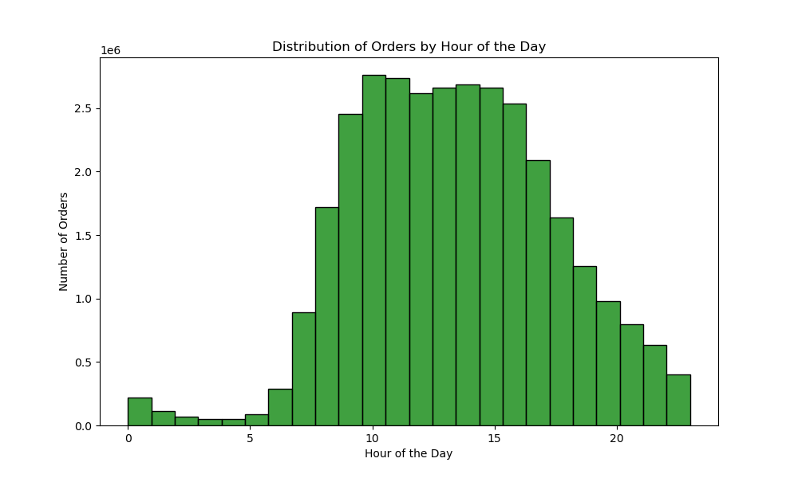
Comment
• The bar chart shows that Saturday and Sunday are the busiest days. In contrast, Tuesday and Wednesday are the quietest. Orders decline from Monday to Wednesday and rise again starting Thursday. |  |  |  |  | • Throughout the day, most orders happen between 10 AM and 3 PM, with the fewest from 12 AM to 5 AM. Activity picks up after 5 AM, peaks midday, and drops after 4 PM. |  | • The bar chart shows that the afternoon and morning periods have the highest number of orders, with weekday orders consistently making up about 62% of the total during these times. In contrast, the evening and night periods have fewer orders, with weekday orders accounting for around two-thirds of the total. | • The bar chart shows that the majority of high-price product sales during off-peak hours occur in the afternoon and morning, with the afternoon being the peak time. Evening and night, both considered off-peak, have significantly lower sales, with night showing the lowest sales overall
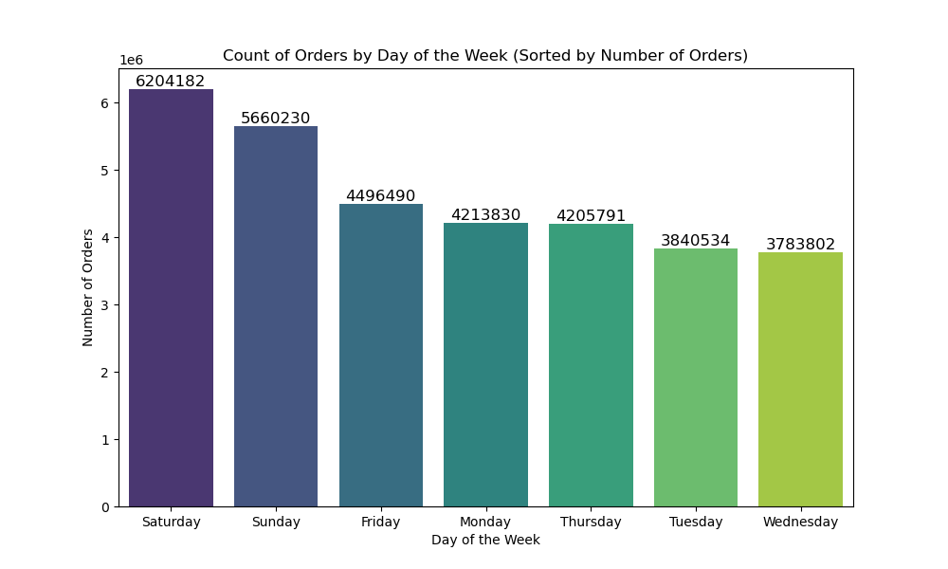
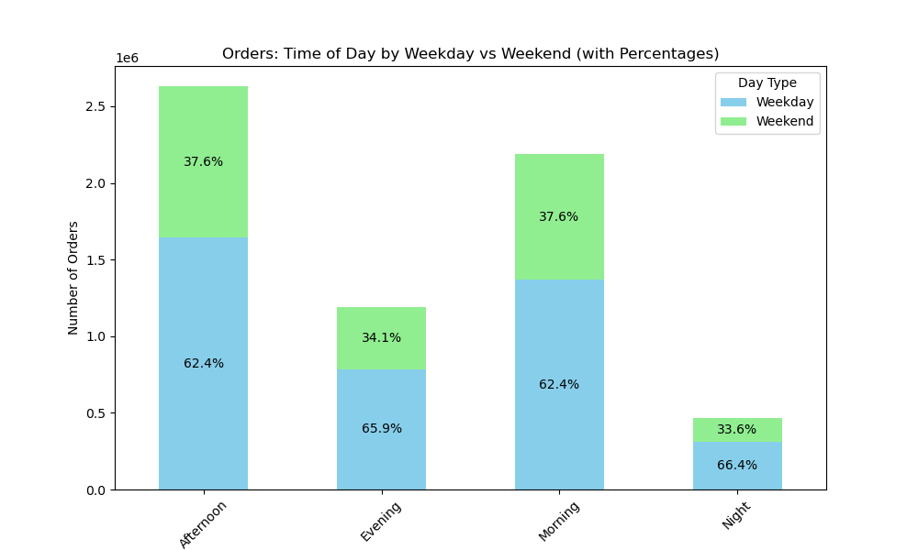
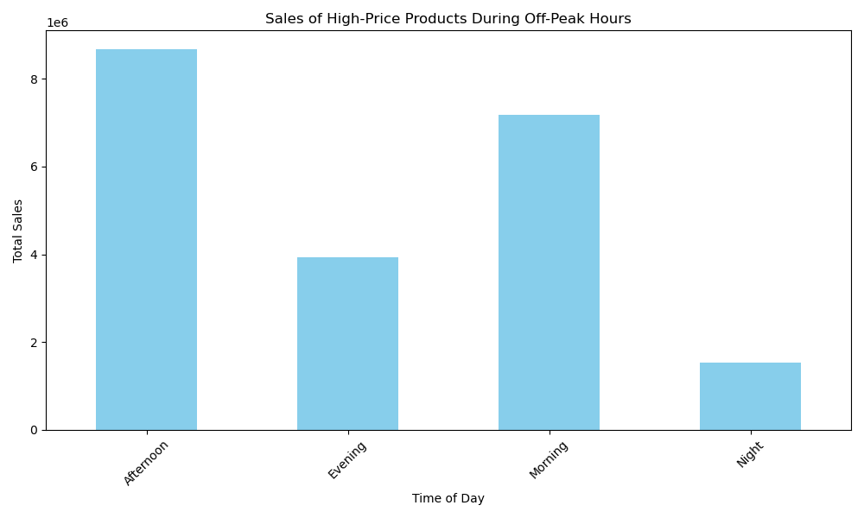

Key Question
They also want to know whether there are particular times of the day when people spend the most money, as this might inform the type of products they advertise at these times.

Comment
• Based on the line graph of average prices by day of the week, prices start relatively low at the beginning of the week, with a gradual increase observed from Monday through Wednesday. A significant peak occurs on Thursday, where prices are highest. However, prices drop sharply on Friday, closing the week at their lowest point. |  |  |  |  | • The line chart shows a sharp peak in average prices at midnight, followed by a rapid drop and a stable pricing trend throughout the day, with a slight decline in the evening. |  | • The bar chart shows that mid-range products dominate orders across all times of day, with the highest number of orders occurring in the afternoon and morning. Low-range products see a steady, yet lower, level of orders, while high-range products have the fewest orders throughout the day, particularly at night.
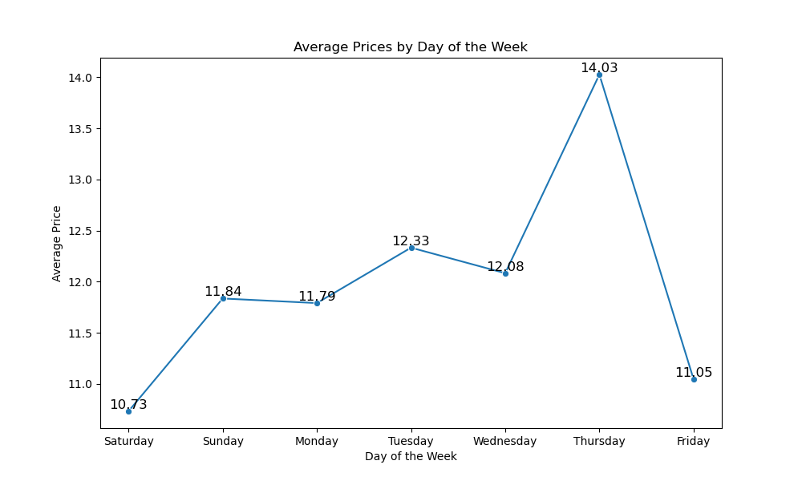
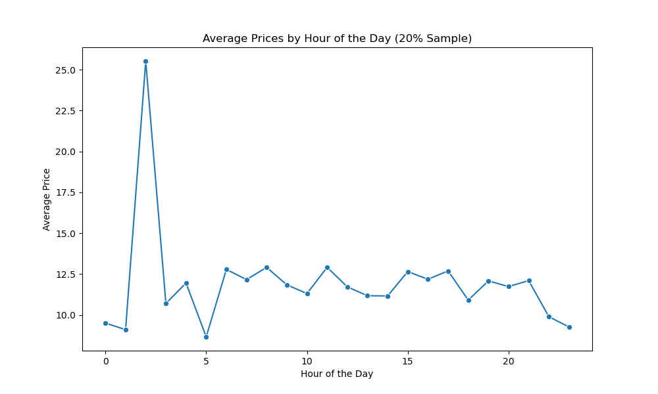
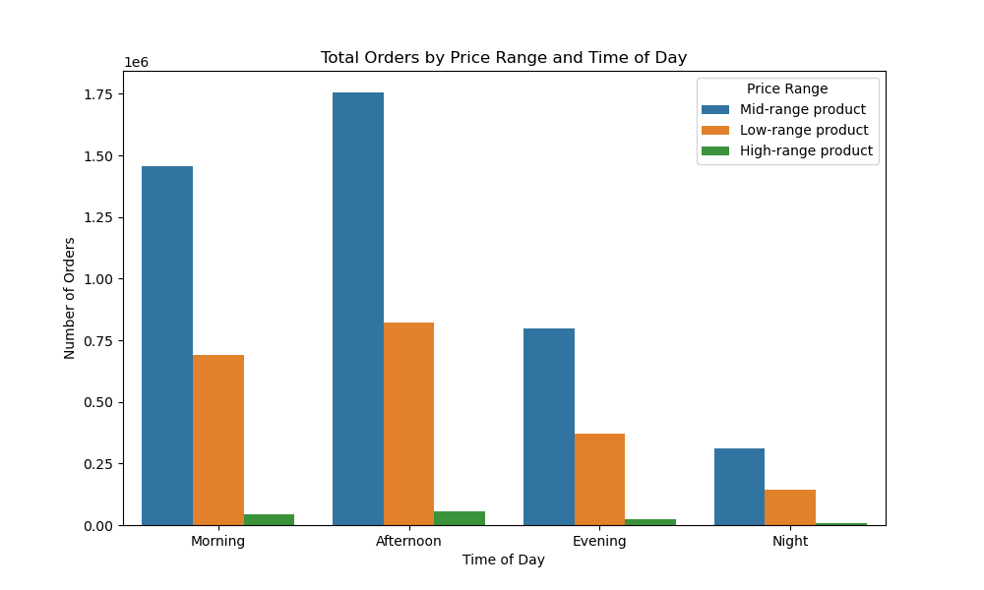

Key Question
Instacart has a lot of products with different price tags. Marketing and sales want to use simpler price range groupings to help direct their efforts.

Comment:

The chart shows that mid-range priced products, especially between $5-$15, are the most commonly sold, while high-range products are ordered the least. |  |  |  |  | • The chart shows that mid-range products dominate orders, especially in produce, dairy eggs, and snacks, while low-range and high-range products account for fewer orders across all departments.

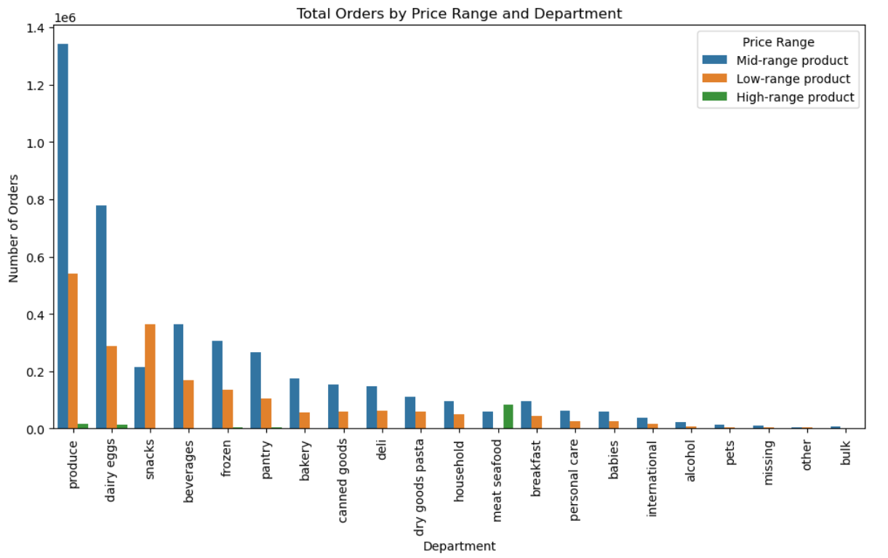

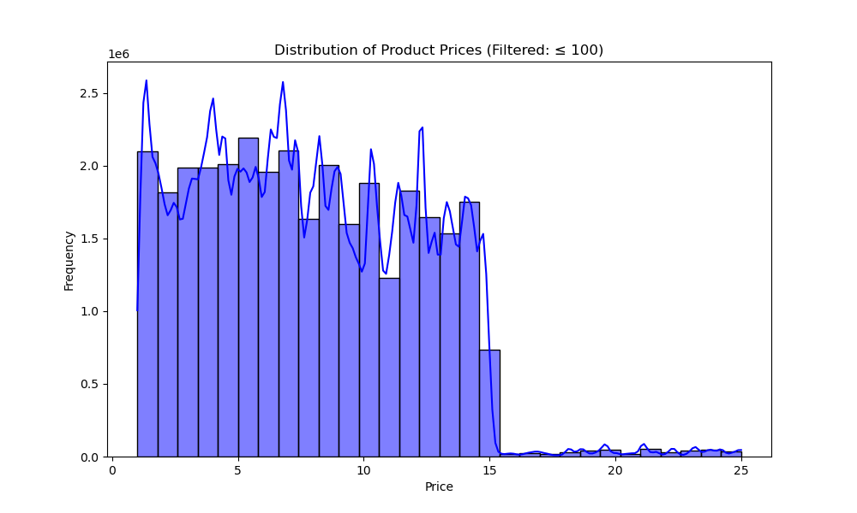

Key Question
Are there certain types of products that are more popular than others? The marketing and sales teams want to know which departments have the highest frequency of product orders

Comment:

Produce products lead product sales over any other department. |  |  |  |  | The chart shows that produce and dairy eggs have the highest frequency of high-price product sales during off-peak hours, followed by meat seafood and beverages. |  | The chart shows that bananas and organic fruits dominate the most frequently purchased product pairs.
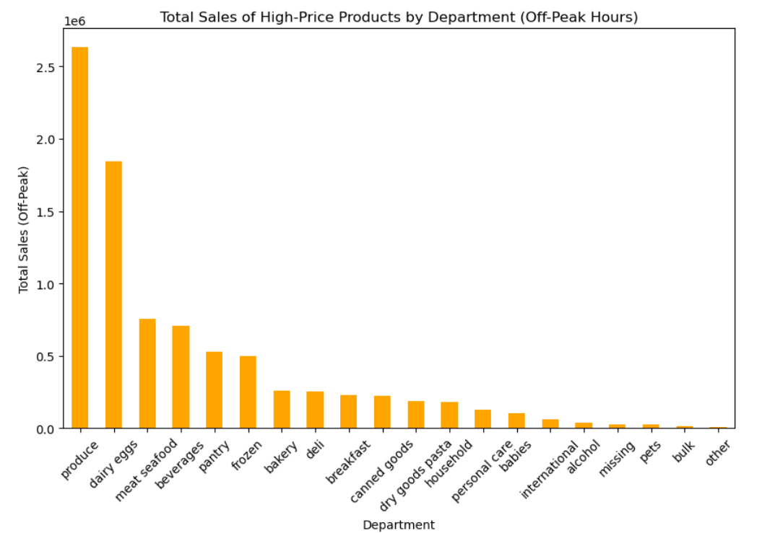
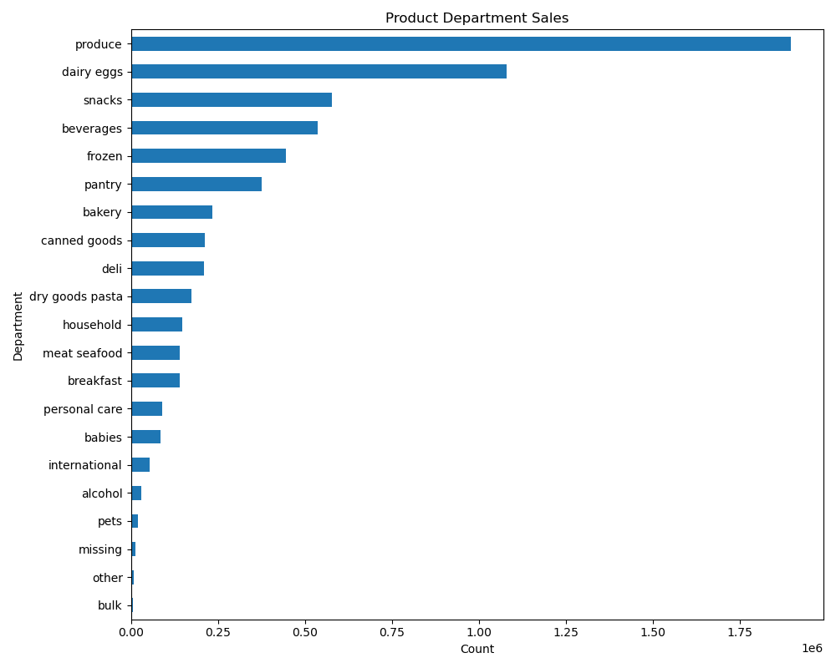
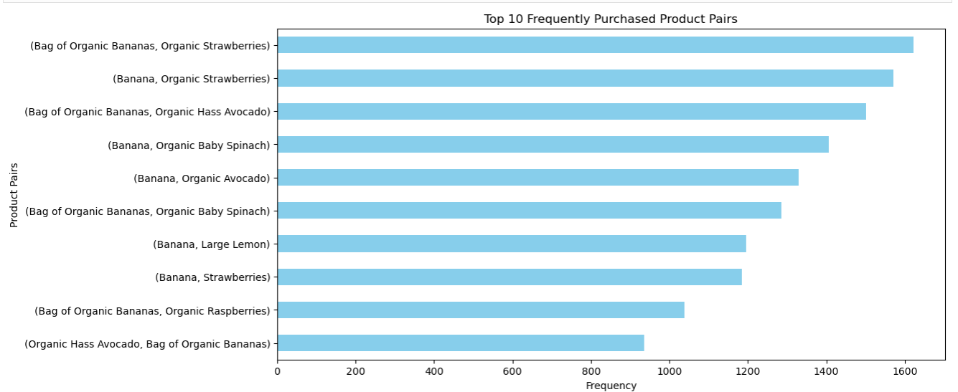

Key Question
What’s the distribution among users in regards to their brand loyalty (i.e., how often do they return to Instacart)?

Comment:
The graphs suggest that 49% of Instacart users are regular but not fully loyal, while loyal customers, who return consistently, make up 32%, showing strong engagement. New customers account for 19%, indicating a steady influx of first-time users.
 |  |  |  |  |  | Loyal customers have higher and more variable median order prices, especially in the early morning, while new and regular customers show more consistent spending throughout the day.
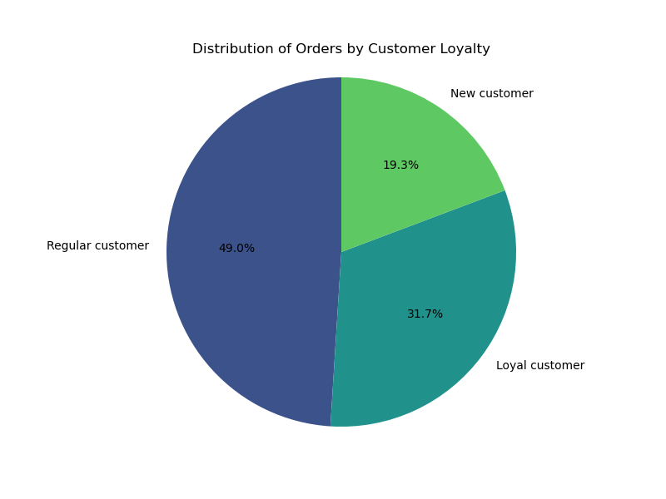
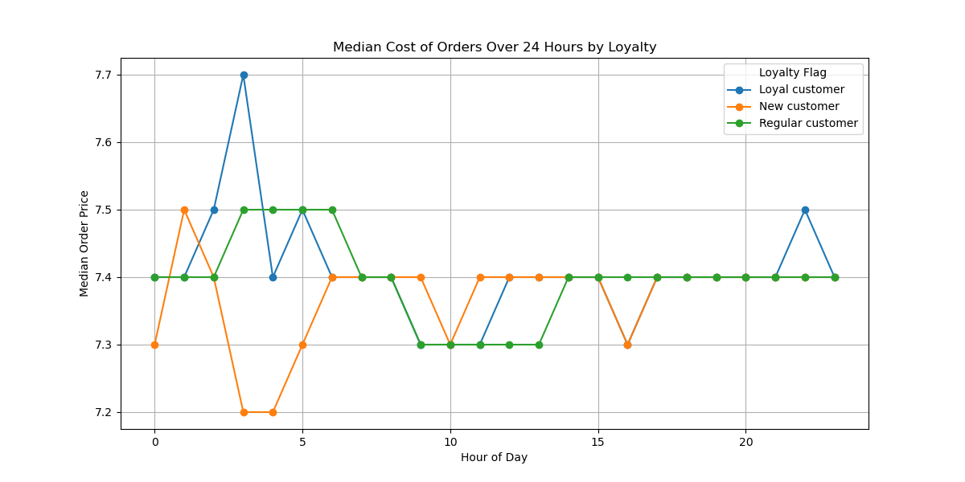
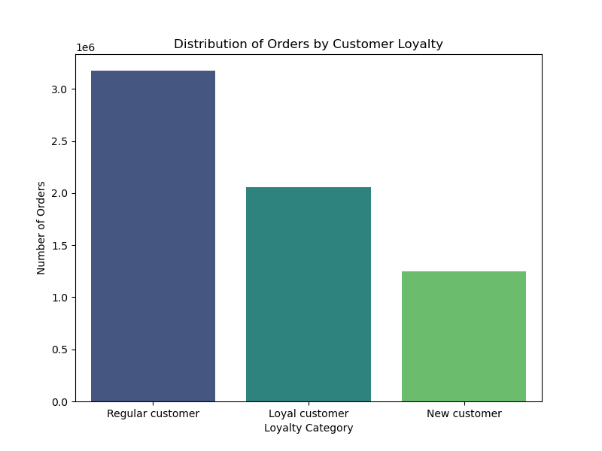

Key Question
Are there differences in ordering habits based on a customer’s loyalty status?

Comment:

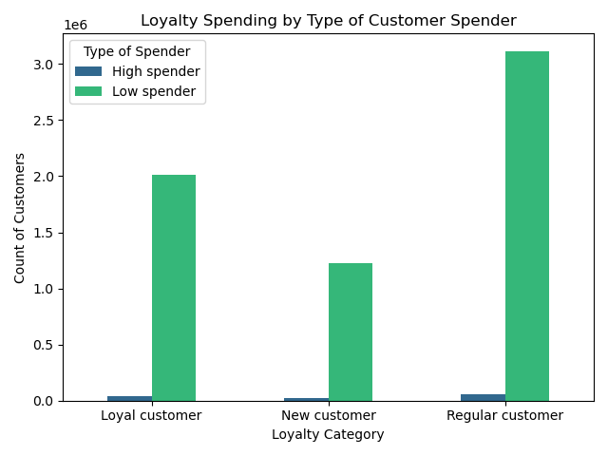
The graph shows that all loyalty categories are primarily made up of low spenders, with very few high spenders across the board. Regular customers have slightly more high spenders, but the difference is minimal.

Key Question
Are there differences in ordering habits based on a customer’s region?

Comment:

• Across regions, orders peak in the afternoon, with the South and West leading and the Northeast trailing. | • Frequent customers dominate in all regions, followed by regular ones, reflecting strong retention. |  |  |  |  | • Income By Region
 | The West and Midwest closely follow the South in frequent customer numbers.
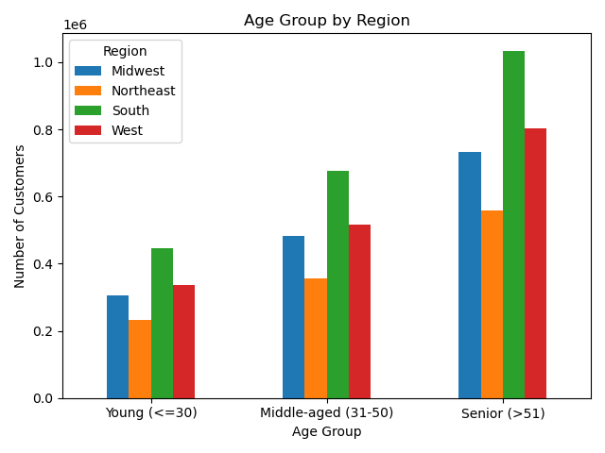
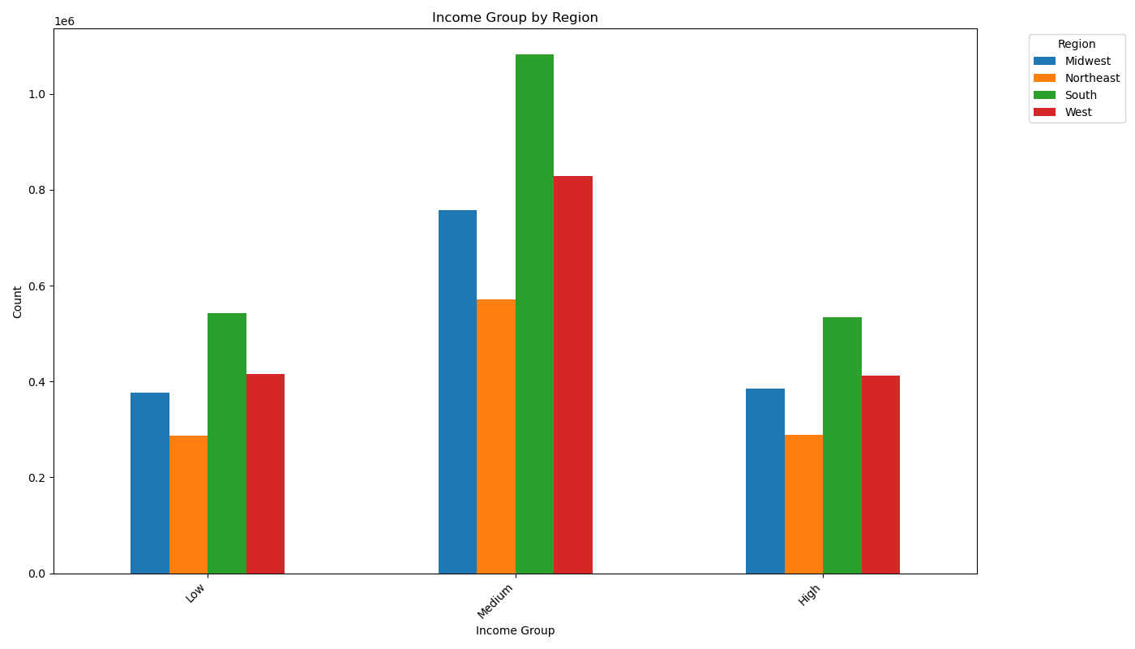
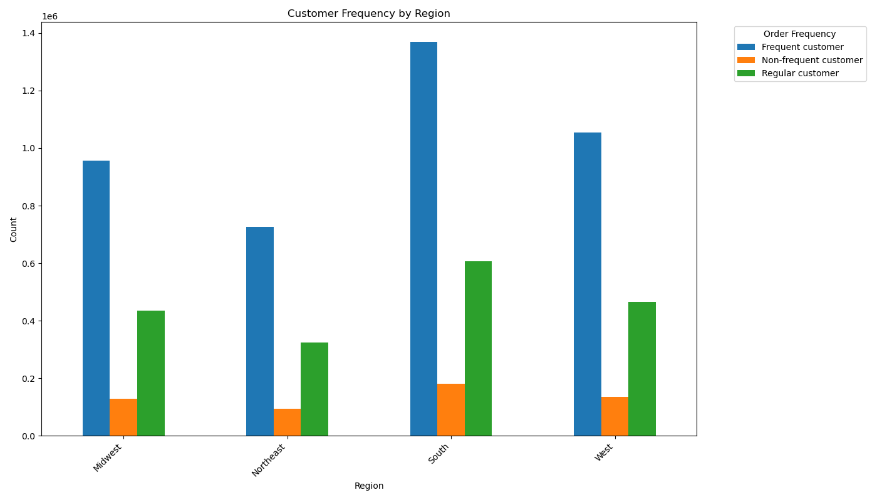

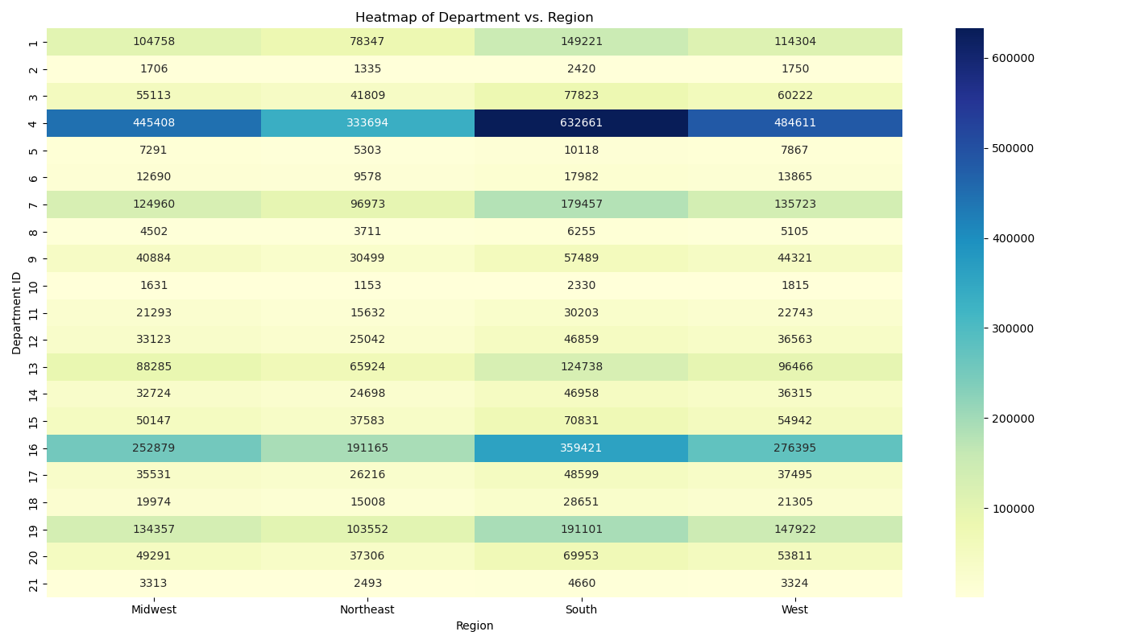

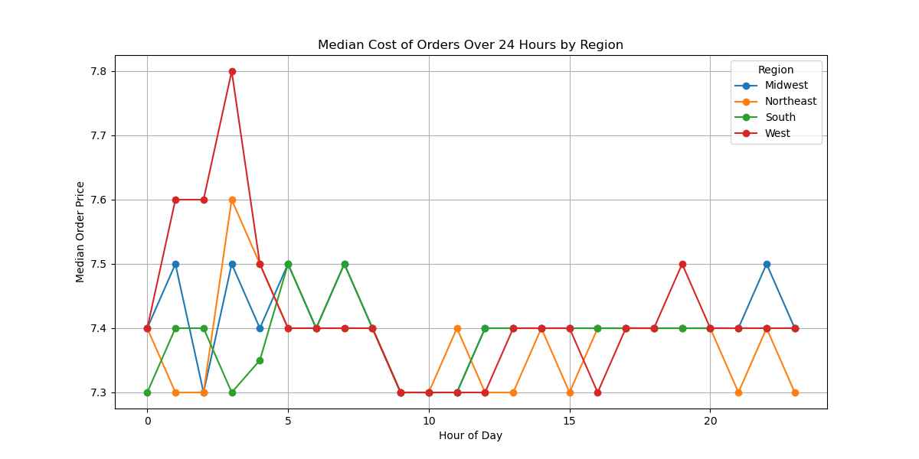
 |  | department_id | Column1
 |  | 1 |  |  |  |  | • The line chart shows that the West region consistently has higher median order prices, particularly peaking around 5 AM. The other regions, including the Midwest, Northeast, and South, show more stable and lower median order prices throughout the day, with some fluctuations during early morning hours.
 |  | 2
 |  | 3
 |  | 4
 |  | 5
 |  | 6
 |  | 7
 |  | 8
 | department | 9
 | frozen | 10
 | other | 11
 | bakery | 12
 | produce | 13
 |  | 14
 | international | 15
 | beverages | 16
 | pets | 17
 | dry goods pasta | 18
 | bulk | 19
 | personal care
 | meat seafood
 | pantry |  |  | 20
 | breakfast |  |  | 21
 | canned goods
 | dairy eggs
 | household
 | babies
 | snacks

• Based on the Customer Profiles, these are The Top 5 Profiles by Region:

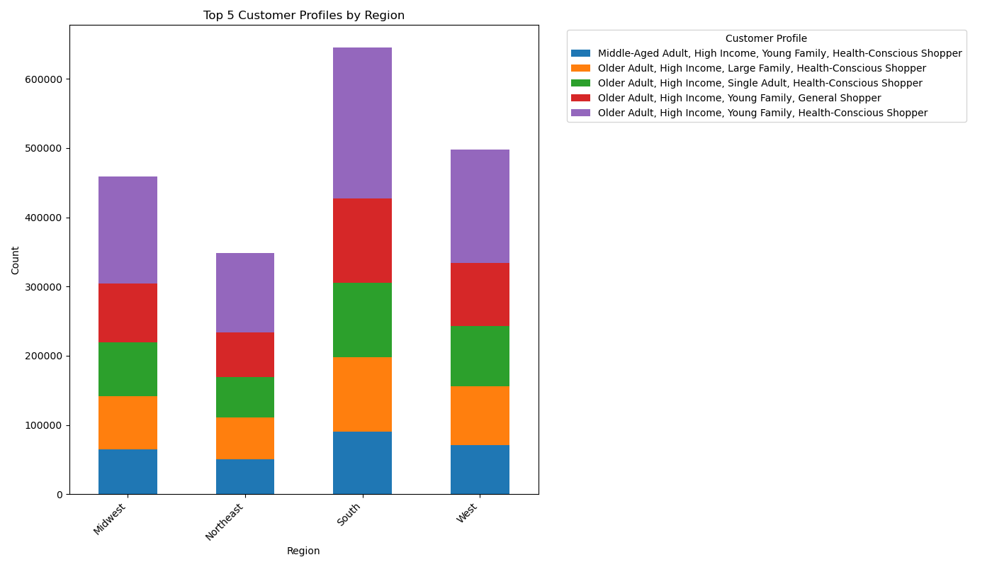

Key Question
Is there a connection between age and family status in terms of ordering habits? What different classifications does the demographic information suggest? Age? Income? Certain types of goods? Family status?

Comment:

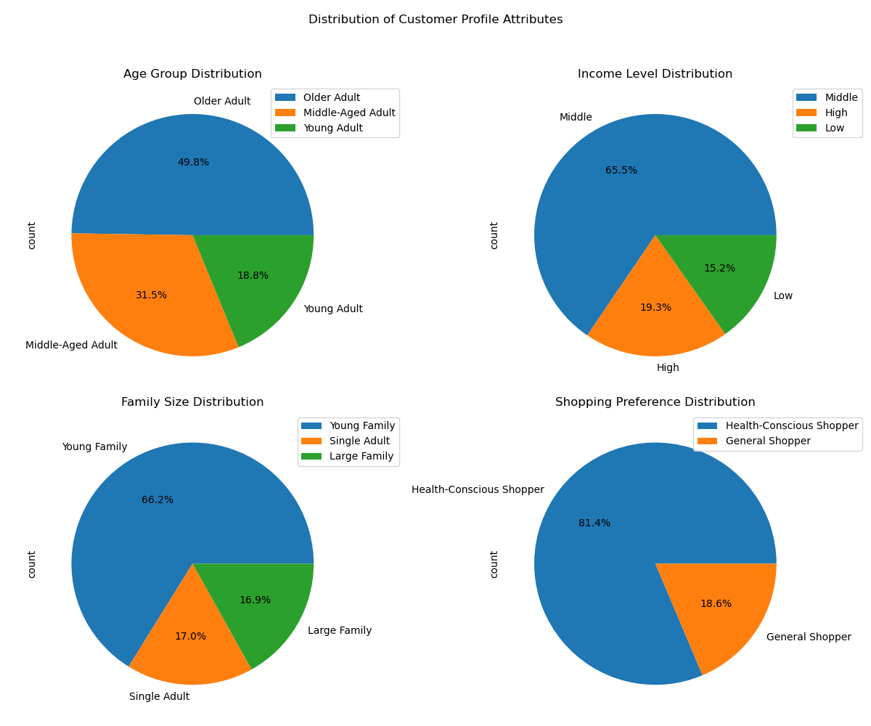
• Age and Family Status Impact on Ordering Habits: Middle-aged adults make up the largest segment (49.8%) of Instacart's customers, suggesting they may be the most frequent shoppers. They are followed by middle-aged and young adults, which reflects a balanced customer base across different life stages. Young families form a significant portion of the orders, with 66.2% of shoppers falling into this group, indicating a strong association between family size and ordering habits. |  |  |  |  | Demographic Insights: • Income Level: The majority of customers fall into the middle-income category (65.5%), followed by a nearly even split between high and low-income groups. This suggests that the platform caters more toward middle-income households. Shopping Preferences: Most customers (81.4%) prefer health-conscious shopping, highlighting a possible trend in health and wellness purchases. • Classification Insights: Department Focus: Food & Beverage is the most ordered category, particularly by older adults with high incomes and young families who are health-conscious shoppers. In terms of ordering habiuts, the chart shows that married individuals consistently have the highest median order frequency across all age groups, with this trend being particularly strong among seniors, while singles tend to have the lowest order frequency, and younger individuals living with parents and siblings place more orders than other groups in the same age range. Summary: There is a clear connection between age, family status, and income when it comes to shopping behaviors. Middle-aged, higher-income individuals with families dominate the platform, especially in health-related categories. Income and age trends show no direct link, but individuals over 40 tend to have higher earnings, with income peaking later in life. However, incomes under $200,000 are more densely distributed across all age groups.

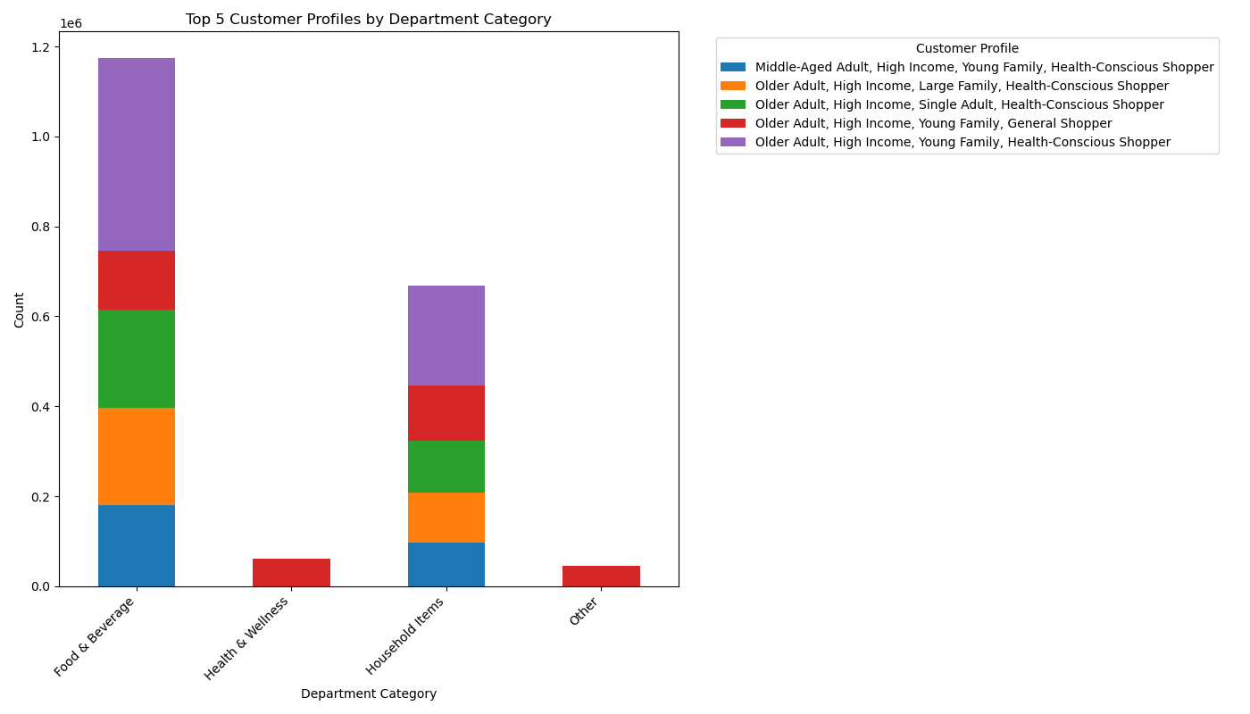

Around the age of 40-41, there's a noticeable shift or gap in income levels (+33%). This could suggest that as people reach this age range, their income starts to increase more significantly compared to younger age groups.

• Older and married customers tend to place the most orders, have fewer dependents, and higher incomes, while the majority of customer orders come from married individuals across all age groups, indicating that family status and age are key factors influencing both order frequency and purchasing behavior.

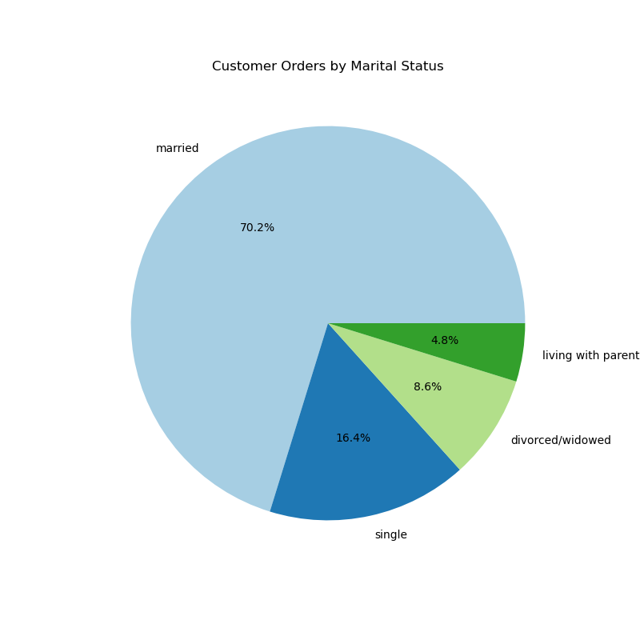
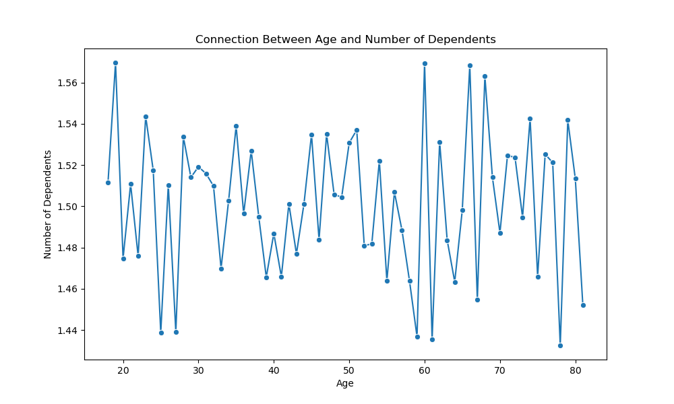
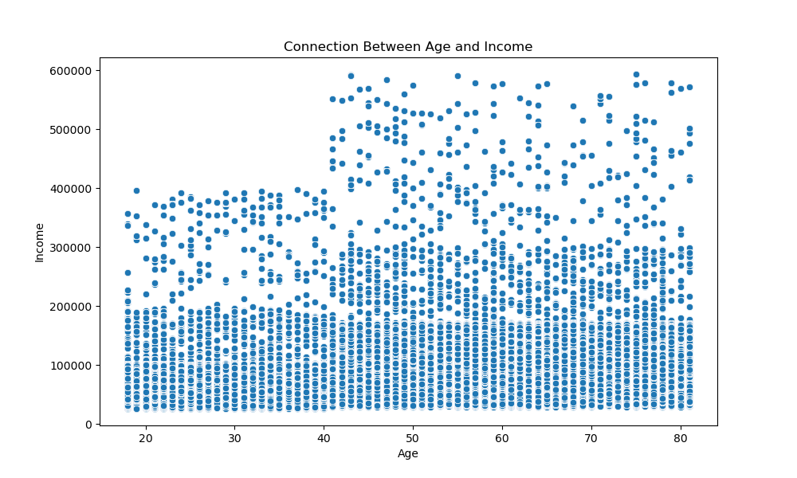
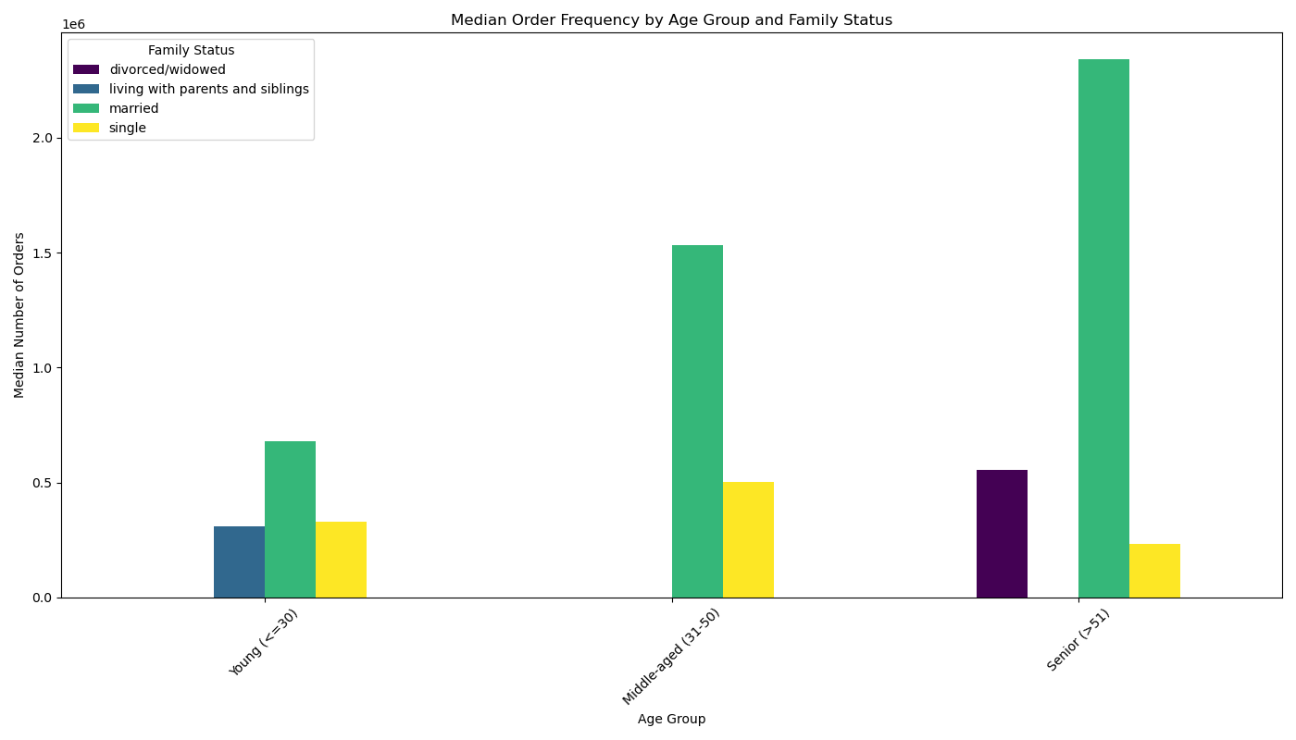


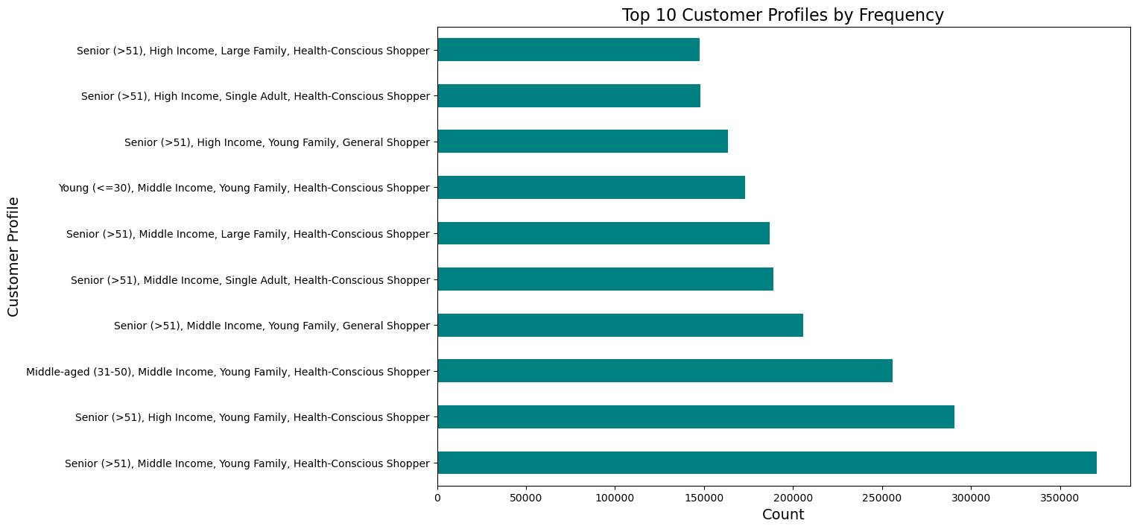
Key Question
What differences can you find in ordering habits of different customer profiles? Consider the price of orders, the frequency of orders, the products customers are ordering, and anything else you can think of.
 |  |  |  |  |  |  |  |  | • Middle-aged and senior high-income customers lead in purchasing high-price products during off-peak hours, particularly in the morning.
Comment:

• Price of Orders Across Different Income Groups: This can help determine how customer spending varies based on income. |  |  | • Order Frequency by Age Groups and Family Status: This would explore how often different age groups and family statuses place orders.
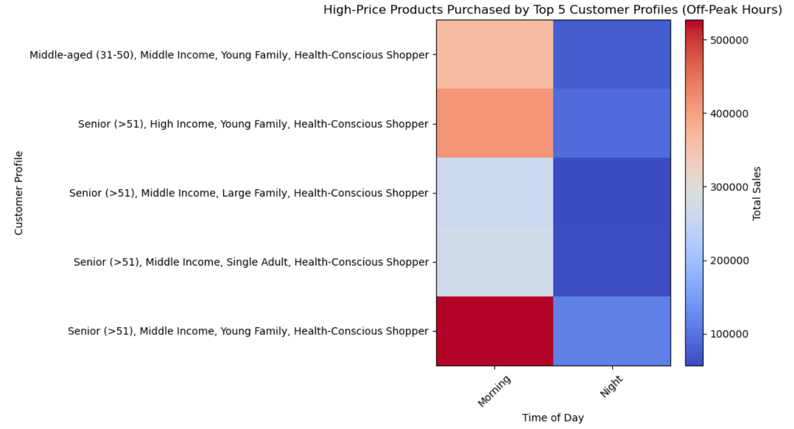

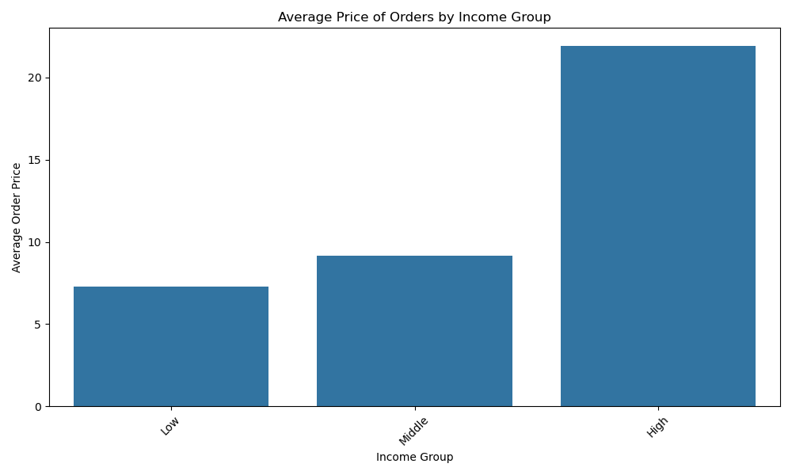
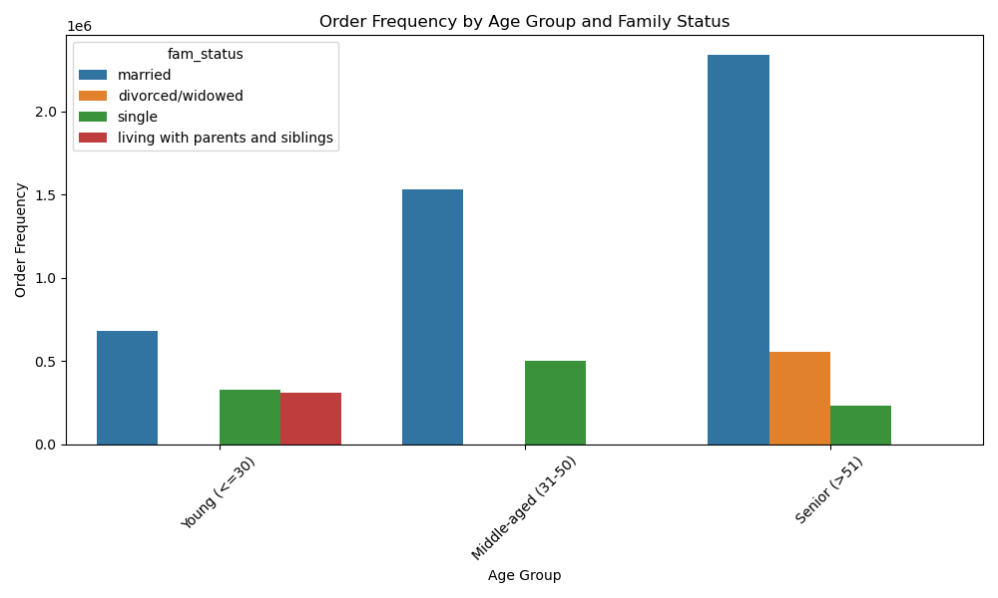

• Product Preferences by Department Across Customer Profiles: This would highlight which departments (product categories) are more popular among various customer profiles, such as age, family size, or income group. |  |  |  |  | Seniors with middle income have the highest median order prices, especially in the morning. High-income seniors are more consistent but spend less, while middle-aged, middle-income customers show fluctuating order prices throughout the day. |  | • Produce and snacks are the most popular departments across the top customer profiles, with seniors driving most of the orders.
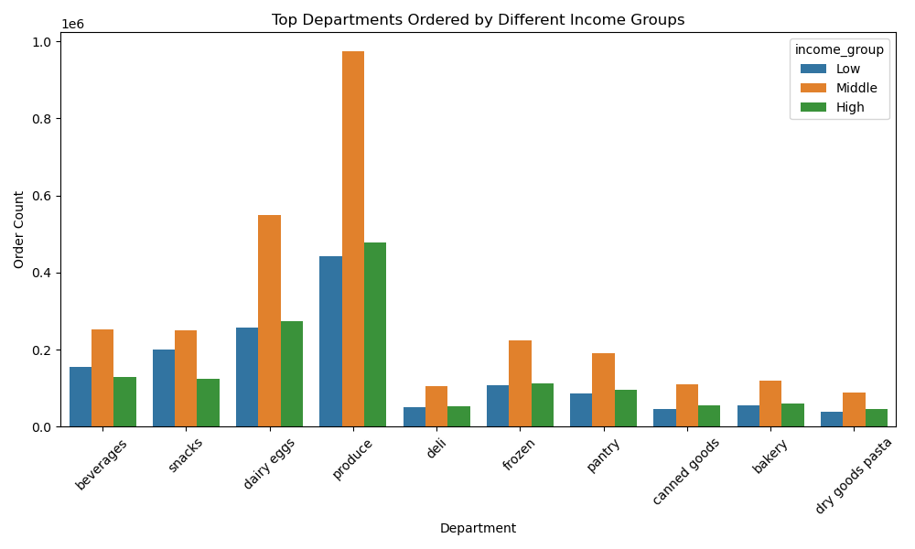
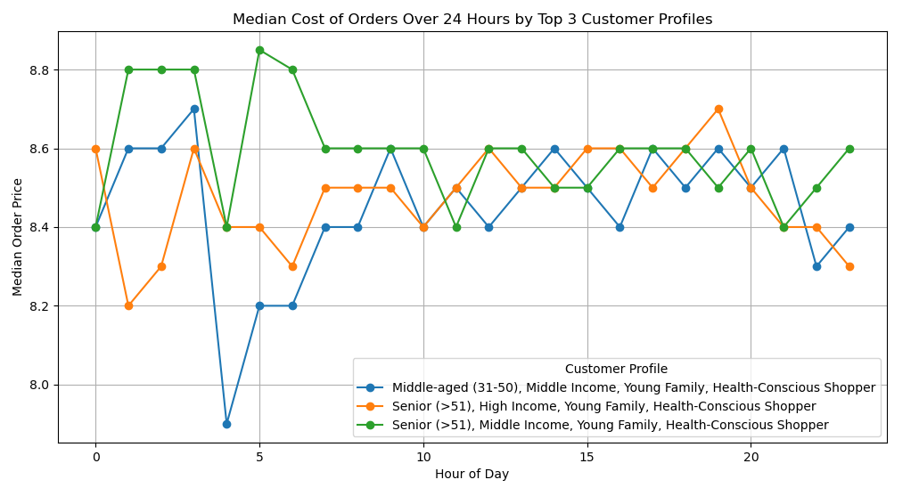

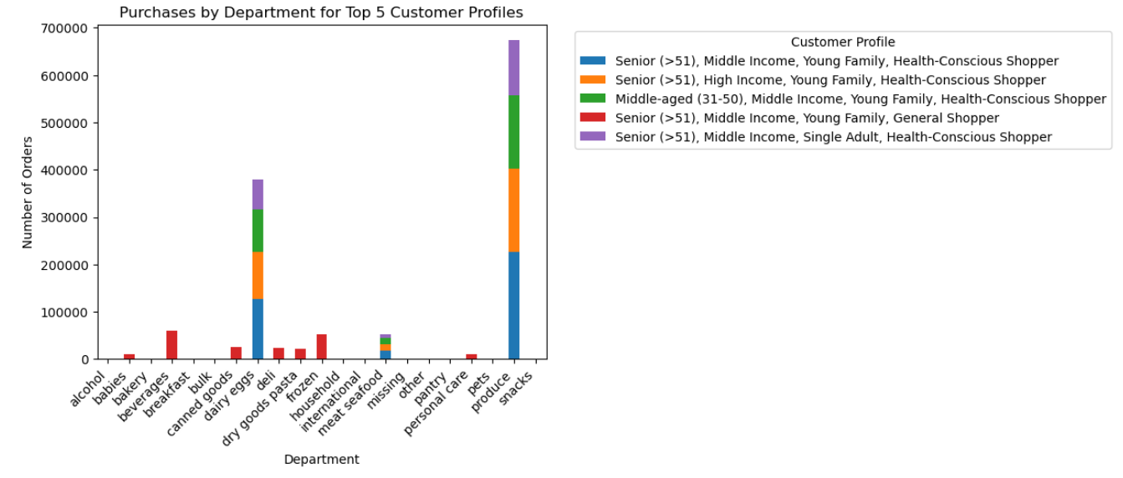

These charts can provide insight into customer purchasing patterns, helping to build a recommendation system that suggests products based on the customer's ordering behavior and market basket analysis.

7. Recommendations
 |  | Title page

Recommendations

Question | Answer
What days of the week and hours of the day are busiest? | Focus ads on Saturday and Sunday between 8 AM and 4 PM, with additional promotions on Wednesday mornings and evenings. Avoid running ads before 6 AM or after 10 PM. Example: Launch a “Weekend Shopping Spree” promotion offering 10% off all orders made on Saturday afternoons.
What times of the day do people spend the most money? | Target ads during the peak spending time of 8 AM to 4 PM, especially at 10 AM, and offer early morning deals on slower days like Tuesday and Wednesday. Example: Offer a “Morning Saver” deal, giving customers $5 off orders placed before 10 AM on Tuesdays.
Are there certain types of products that are more popular than others? | Promote top categories like produce, dairy, snacks, beverages, and frozen foods, while incentivizing sales in underperforming departments. Example: Bundle dairy and snack products with a 15% discount to drive sales in these high-demand categories.
What’s the distribution among users in regards to their brand loyalty (i.e., how often do they return to Instacart)? | Convert new users into regulars with welcome offers and retain regulars by boosting engagement through discounts. Example: Provide a “Welcome Back” promo code to first-time customers on their second purchase.
Are there differences in ordering habits based on a customer's loyalty status? | Middle-income adults are the most frequent shoppers, so offer mid-range product deals and loyalty rewards to drive repeat orders. Example: Implement a loyalty program where middle-income customers earn points redeemable for discounts on mid-range products.
Are there differences in ordering habits based on a customer's region? | Target the Northeast with tailored promotions, focusing on small households, and promote bulk buys for larger families in high-income regions. Example: Offer a “Family Pack Deal” in the Northeast with discounts on bulk snack and pantry products.
Is there a connection between age and family status in terms of ordering habits? | Focus on middle-aged married or single customers who frequently order, promoting family-size products and targeting divorced or widowed segments with customized offers. Example: Promote “Family-Size Essentials” packs for middle-aged families, offering discounts on family-size groceries.
What differences can you find in ordering habits of different customer profiles? | Focus on high-income seniors who consistently spend more, expand visibility of niche categories, tailor regional strategies to underrepresented areas, and offer solutions for small families like meal kits and subscription services. Example: Introduce a “Healthy Meals for Seniors” subscription service, offering curated meal kits for high-income seniors.

